Test
Copy Excel Version: |  |  |  | Just type in by hand the numbers from E5 and E6 into D2 and D3. |  | E5:E6 will not work with online Excel, but the check on the table below still should work. If not, you are not logged in correctly.
System:

 | Excel Version: |  | 16.0 |  | Watch this video on what is required in terms of technology.
 | System: |  | pcdos

Data 1 | Data 2 | Sum |  | If you see the following, your system is probably ok. If not, then you are not using Excel, or not using the Excel provided by GCU, or not logged in using your GCU credentials. Check File → Account.
1 | 6 | 7
2 | 5 | 7
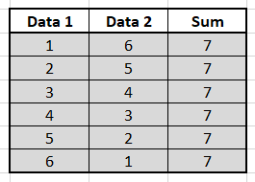
3 | 4 | 7
Are these the same?
4 | 3 | 7
5 | 2 | 7 |  |  |  |  | Are the two tables the same?
6 | 1 | 7
If these are not the same, then your system is broken and you are not following the instructions that I have provided. Watch the video provided above.

 | Yes
 | No

